XY Coordinates
 |  |  | scale factor | 1
 | -100 | -100 | 100 | 25
label | x | y | -y | size
300 | 10 | 28 | -28 | 0.27691120434
Alice in Wonderland | 74 | 64 | -64 | 0.43942490031
Austin Powers in Goldmember | 56 | 57 | -57 | 0.28018083469
Avatar | 62 | 63 | -63 | 1
Batman Begins | 81 | 47 | -47 | 0.27000946122
Bruce Almighty | 67 | 43 | -43 | 0.31898450348
Captain America: The First Avenger | 75 | 47 | -47 | 0.23226227214
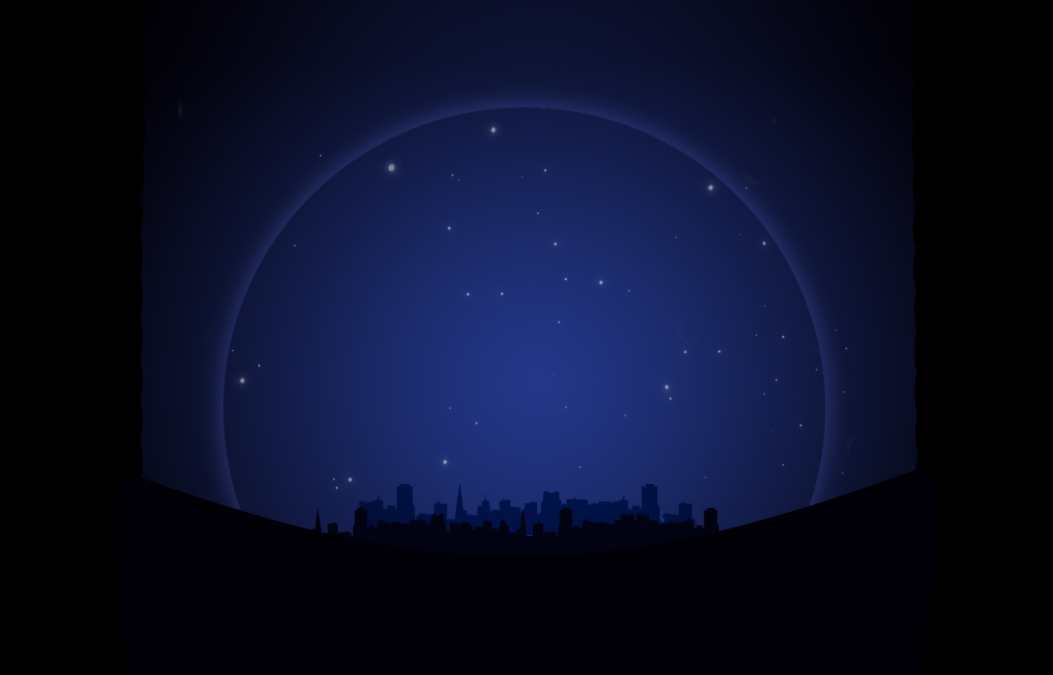
Cast Away | 89 | 35 | -35 | 0.3072040523
Charlie and the Chocolate Factory | 36 | 77 | -77 | 0.2714725098
Elf | 83 | 85 | -85 | 0.22798168572
Fast Five | 13 | 57 | -57 | 0.27587559757
Gladiator | 9 | 50 | -50 | 0.24677110208
Hancock | 17 | 50 | -50 | 0.29972981128
Harry Potter and the Chamber of Secrets | 92 | 52 | -52 | 0.34446890321
Harry Potter and the Deathly Hallows: Part 1 | 110 | 32 | -32 | 0.38787398567
Harry Potter and the Deathly Hallows: Part 2 | 112 | 23 | -23 | 0.50092398435
Harry Potter and the Goblet of Fire | 100 | 46 | -46 | 0.3813177744
Harry Potter and the Half-Blood Prince | 108 | 40 | -40 | 0.39704754564
Harry Potter and the Order of the Phoenix | 106 | 50 | -50 | 0.38395610915
Harry Potter and the Prisoner of Azkaban | 94 | 42 | -42 | 0.32788535155
Harry Potter and the Sorcerer's Stone | 90 | 62 | -62 | 0.41756140634
Hitch | 126 | 43 | -43 | 0.2334960904
How the Grinch Stole Christmas | 79 | 80 | -80 | 0.34191852177
I Am Legend | 64 | 86 | -86 | 0.33712589721
Inception | 72 | 83 | -83 | 0.38470296074
Indiana Jones and the Kingdom of the Crystal Skull | 94 | 28 | -28 | 0.41684244145
Iron Man | 15 | 40 | -40 | 0.41853482292
Iron Man 2 | 25 | 55 | -55 | 0.41032877555
Jurassic Park III | 70 | 90 | -90 | 0.23821791208
King Kong | 77 | 90 | -90 | 0.28671871605
Lincoln | 103 | 68 | -68 | 0.23853658419
Meet the Fockers | 94 | 64 | -64 | 0.36708143153
Men in Black 3 | 97 | 80 | -80 | 0.23539707776
Men in Black II | 100 | 83 | -83 | 0.25038440368
Mission: Impossible - Ghost Protocol | 66 | 72 | -72 | 0.27529692484
Mission: Impossible II | 69 | 78 | -78 | 0.28322899535
Mr. & Mrs. Smith | 94 | 87 | -87 | 0.24501600314
My Big Fat Greek Wedding | 130 | 27 | -27 | 0.31746952105
National Treasure | 123 | 63 | -63 | 0.22748674804
National Treasure 2: Book of Secrets | 119 | 55 | -55 | 0.28923051922
Night at the Museum | 110 | 63 | -63 | 0.329863694
Night at the Museum: Battle of the Smithsonian | 117 | 60 | -60 | 0.23306030019
Ocean's Eleven | 53 | 27 | -27 | 0.24116286775
Pearl Harbor | 47 | 21 | -21 | 0.26106289095
Pirates of the Caribbean: At World's End | 60 | 30 | -30 | 0.40683993847
Pirates of the Caribbean: Dead Man's Chest | 78 | 30 | -30 | 0.55625164444
Pirates of the Caribbean: On Stranger Tides | 64 | 22 | -22 | 0.31697833219
Pirates of the Caribbean: The Curse of the Black Pearl | 74 | 22 | -22 | 0.40155994356
Planet of the Apes | 83 | 23 | -23 | 0.23670000791
Rise of the Planet of the Apes | 85 | 30 | -30 | 0.23239880495
Rush Hour 2 | 90 | 83 | -83 | 0.29735268294
Sherlock Holmes | 94 | 21 | -21 | 0.27484271137
Sherlock Holmes: A Game of Shadows | 89 | 23 | -23 | 0.24664267966
Signs | 57 | 37 | -37 | 0.29975534166
Skyfall | 83 | 55 | -55 | 0.40020767519
Spider-Man | 30 | 47 | -47 | 0.53083927835
Spider-Man 2 | 37 | 40 | -40 | 0.4909599242
Spider-Man 3 | 23 | 40 | -40 | 0.44250850184
Star Trek | 76 | 73 | -73 | 0.33885880038
Star Wars: Episode II - Attack of the Clones | 80 | 70 | -70 | 0.40851176125
Star Wars: Episode III - Revenge of the Sith | 86 | 72 | -72 | 0.5000126646
Superman Returns | 34 | 33 | -33 | 0.26307412203
Ted | 95 | 73 | -73 | 0.28747797385
The Amazing Spider-Man | 27 | 33 | -33 | 0.34454786118
The Avengers | 30 | 40 | -40 | 0.81955917822
The Blind Side | 103 | 27 | -27 | 0.33655280365
The Bourne Supremacy | 112 | 74 | -74 | 0.23148951543
The Bourne Ultimatum | 117 | 69 | -69 | 0.29878145697
The Chronicles of Narnia: The Lion | 97 | 57 | -57 | 0.38357344148
The Da Vinci Code | 127 | 53 | -53 | 0.28604137477
The Dark Knight | 45 | 40 | -40 | 0.70126490559
The Dark Knight Rises | 43 | 50 | -50 | 0.58925338151
The Day After Tomorrow | 133 | 38 | -38 | 0.24554698657
The Hangover | 107 | 79 | -79 | 0.3646433122
The Hangover Part II | 102 | 77 | -77 | 0.33458781021
The Hobbit: An Unexpected Journey | 67 | 53 | -53 | 0.39762090218
The Hunger Games | 30 | 71 | -71 | 0.53648404757
The Karate Kid | 20 | 70 | -70 | 0.23220284064
The Lord of the Rings: The Fellowship of the Ring | 62 | 50 | -50 | 0.41266951232
The Lord of the Rings: The Return of the King | 70 | 35 | -35 | 0.49574799916
The Lord of the Rings: The Two Towers | 77 | 40 | -40 | 0.44770056581
The Matrix Reloaded | 102 | 36 | -36 | 0.370138481
The Mummy Returns | 23 | 62 | -62 | 0.26562273097
The Passion of the Christ | 112 | 55 | -55 | 0.48687455127
The Perfect Storm | 117 | 43 | -43 | 0.24012758708
The Twilight Saga: Breaking Dawn - Part 1 | 47 | 86 | -86 | 0.36985381784
The Twilight Saga: Breaking Dawn - Part 2 | 43 | 80 | -80 | 0.38434802856
The Twilight Saga: Eclipse | 47 | 73 | -73 | 0.39516213345
The Twilight Saga: New Moon | 55 | 72 | -72 | 0.39003465282
Thor | 35 | 55 | -55 | 0.23801939422
Transformers | 36 | 66 | -66 | 0.41914196355
Transformers: Dark of the Moon | 44 | 61 | -61 | 0.463321591
Transformers: Revenge of the Fallen | 51 | 66 | -66 | 0.52869638095
Twilight | 59 | 76 | -76 | 0.25173964902
War of the Worlds | 115 | 27 | -27 | 0.30805424695
Wedding Crashers | 127 | 30 | -30 | 0.2751042202
What Women Want | 125 | 33 | -33 | 0.24037306711
X2: X-Men United | 19 | 30 | -30 | 0.28263922079
X-Men Origins: Wolverine | 40 | 30 | -30 | 0.23653074688
X-Men: The Last Stand | 30 | 25 | -25 | 0.30816332961

